ASSIGMENT NO 1
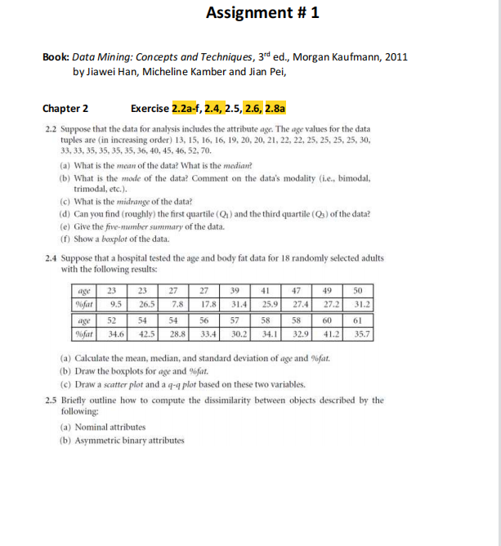
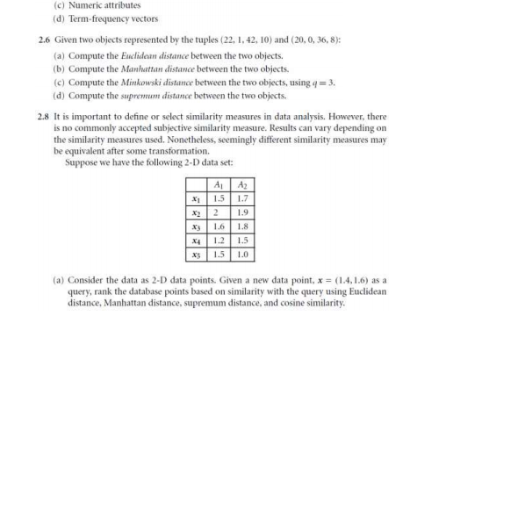

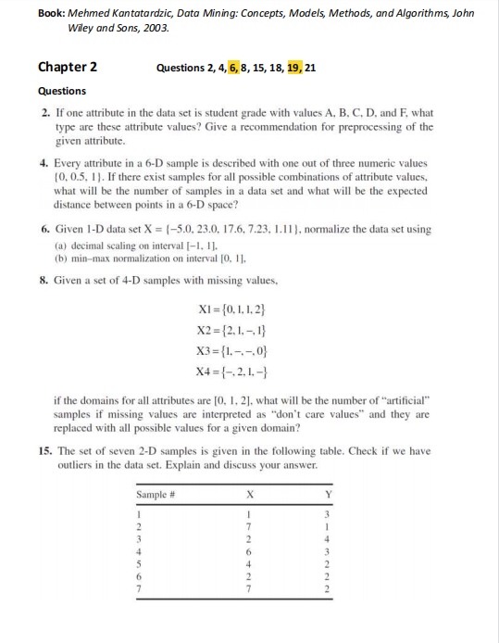
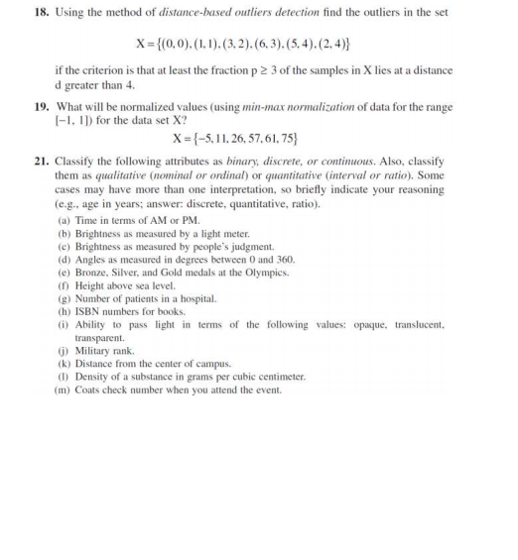

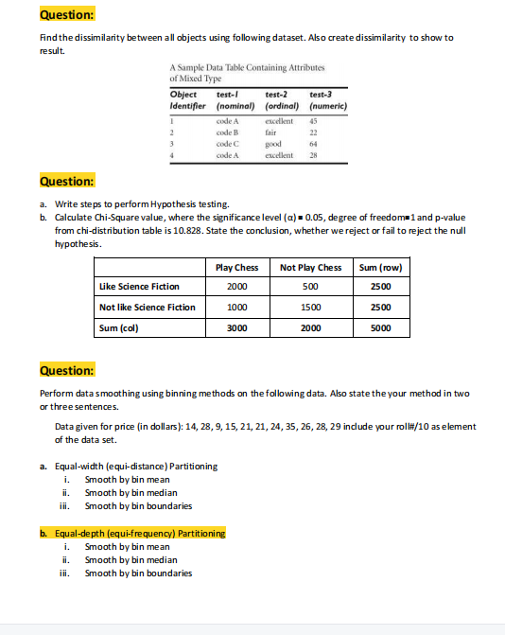

Q-2.2
DATA SET
 | 13
 | 15
 | 16
 | 16 |  | total NO | 27 |  |  | mid-range = (largest value+ lowest value)/2
 | 19 |  | mean | 29.96
 | 20 |  | median | 25
 | 20 | 25TH% | mode | 25 | 35
 | 21 |  | mid-range | 41.5
 | 22 |  | First quarantile | 20
 | 22 |  | third quarantile | 35
 | 25
 | 25
 | 25
 | 25 |  | five number theory = { Min , Q1,MEDIAN , Q3,MAX } |  |  | { 13 , 20 ,25 , 35 , 70 }
 | 30
 | 33
This chart isn't available in your version of Excel. Editing this shape or saving this workbook into a different file format will permanently break the chart.
 | 33
 | 35
 | 35
 | 35
 | 35 | 75TH%
 | 36
 | 40
 | 45
 | 46
 | 52
 | 70

Q-2.4
scatter plot
 | AGE | FAT
 | 23 | 9.5
 | 23 | 26.5
 | 27 | 7.8
 | 27 | 17.8
 | 39 | 31.4
 | 41 | 25.9
 | 47 | 27.4
 | 49 | 27.2
 | 50 | 31.2
 | 52 | 34.6
 | 54 | 42.5
 | 54 | 28.8
 | 56 | 33.4
 | 57 | 30.2
 | 58 | 34.1
 | 58 | 32.9
 | 60 | 41.2
 | 61 | 35.7

AGE | FAT | AGE | FAT | AGE | % FAT

23 | 9.5 | 23 | 9.5 | 27 | 7.8
23 | 26.5 | 23 | 26.5 | 23 | 9.5
27 | 7.8 | 27 | 7.8 | 27 | 17.8
27 | 17.8 | 27 | 17.8 | 41 | 25.9
39 | 31.4 | 39 | 31.4 | 23 | 26.5
41 | 25.9 | 41 | 25.9 | 49 | 27.2
47 | 27.4 | 47 | 27.4 | 47 | 27.4
49 | 27.2 | 49 | 27.2 | 54 | 28.8
50 | 31.2 | 50 | 31.2 | 57 | 30.2
52 | 34.6 | 52 | 34.6 | 50 | 31.2
54 | 42.5 | 54 | 42.5 | 39 | 31.4
54 | 28.8 | 54 | 28.8 | 58 | 32.9
56 | 33.4 | 56 | 33.4 | 56 | 33.4
57 | 30.2 | 57 | 30.2 | 58 | 34.1
58 | 34.1 | 58 | 34.1 | 52 | 34.6
58 | 32.9 | 58 | 32.9 | 61 | 35.7
60 | 41.2 | 60 | 41.2 | 60 | 41.2
61 | 35.7 | 61 | 35.7 | 54 | 42.5
 | mean | median |  | 12.85 | 8.99
46.444 | 28.783 | 51 | 30.7 | standard dev of age | standard dev of % fat

 |  |  |  | mean | mean
 |  |  |  | 46.444 | 28.783

 | formula to cal rank | z-score | formula to cal percentile
 | =RANK(B6,$B$6:$B$15,1) | =NORM.S.INV(N114) | (B2-0.5)/COUNT($B$2:$B$11)

QQ plot for fat
-1.91 | 7.8
-1.38 | 9.5
-1.09 | 17.8
-0.86 | 25.9
-0.67 | 26.5
-0.51 | 27.2
-0.36 | 27.4
-0.21 | 28.8
-0.07 | 30.2
0.07 | 31.2
0.21 | 31.4
0.36 | 32.9
0.51 | 33.4
0.67 | 34.1
0.86 | 34.6
1.09 | 35.7
1.38 | 41.2
1.91 | 42.5
QQ plot for age
-1.915 | 23
-1.383 | 23
-1.085 | 27
-0.862 | 27
-0.674 | 39
-0.508 | 41
-0.355 | 47
-0.210 | 49
-0.070 | 50
0.070 | 52
0.210 | 54
0.355 | 54
0.508 | 56
0.674 | 57
0.862 | 58
1.085 | 58
1.383 | 60
1.915 | 61

This chart isn't available in your version of Excel. Editing this shape or saving this workbook into a different file format will permanently break the chart.

